R05 C
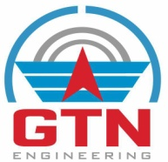 |  | GTN ENGINEERING (INDIA) LIMITED INTEGRATED MANAGEMENT SYSTEM RECORDS |  |  |  |  |  |  |  |  |  | Record No | IT/R05/C
 |  | USER COMPLAINT REGISTER |  |  |  |  |  |  |  |  |  | Date | 10.05.2024
SNo | Dept | Issue | Issue Type | Raised By | Originating Date | Mode of communication | Issue Cleared By | Issue clearance date | Reason of the issue |  | Solution / Action taken |  | Final Remarks

Prepared By |  |  |  | Reviewed By |  |  |  |  |  | Approved By
Name |  |  |  | Name |  |  |  |  |  | Name
Designation |  |  |  | Designation |  |  |  |  |  | Designation
Signature |  |  |  | Signature |  |  |  |  |  | Signature

